PIVOT TABLES
1) Average Discount Percentage by Product Category |  | `2) Number of Product listed per Cateory |  | 3) Total number of reviews per Cateory |  | 4) Products with Average Highest Rating |  | 5) Average Actual price Vs Discount Price by Category
Product Category | Average of Discount_Percentage | Product Category | Count of Product_Name | Product Category | Sum of Rating_Count | Product_Name | Average of Rating | Product Category | Average of Actual_Price | Average of Discounted_Price | 6) Product with highest number of reviews |  | 8) Distribution of Product Rating |  | 9) Distribution of Product Rating |  | 10) Number of Unique Products per Price Range Bucket |  | 13) Product with Highest Discount Percentage |  | 14) Top 5 Product in terms of Rating and Rating count
Home&Kitchen|CraftMaterials|DrawingMaterials|DrawingMedia|Pencils|WoodenPencils | 0% | Home&Kitchen|CraftMaterials|DrawingMaterials|DrawingMedia|Pencils|WoodenPencils | 1 | Home&Kitchen|CraftMaterials|DrawingMaterials|DrawingMedia|Pencils|WoodenPencils | 5036 | Apsara Platinum Pencils Value Pack - Pack of 20 | 4.3 | Home&Kitchen|CraftMaterials|DrawingMaterials|DrawingMedia|Pencils|WoodenPencils | 99 | 99 | Product_Name | Sum of Rating_Count | Rating | Count of Product_Name | Category | Sum of Potential Revenue | Price Range Bucket | Count of Product_Name | Category | Max of Discount_Percentage | Product Name | Sum of Sum of Rating and Rating Count
Grand Total | 0% | Grand Total | 1 | Grand Total | 5036 | Grand Total | 4.3 | Grand Total | 99 | 99 | Home&Kitchen|CraftMaterials|DrawingMaterials|DrawingMedia|Pencils|WoodenPencils | 5036 | 4 | 1 | Home&Kitchen|CraftMaterials|DrawingMaterials|DrawingMedia|Pencils|WoodenPencils | 498564 | <₹200 | 1 | Home&Kitchen|CraftMaterials|DrawingMaterials|DrawingMedia|Pencils|WoodenPencils | 0% | Apsara Platinum Pencils Value Pack - Pack of 20 | 5040
 |  |  |  |  |  |  |  |  |  |  | Grand Total | 5036 | Grand Total | 1 | Grand Total | 498,564.00 | Grand Total | 1.00 | Grand Total | 0.00 | Grand Total | 5,040.00

 |  |  |  |  |  |  |  |  |  |  |  |  |  |  |  |  | 11) Discount vs Rating
 |  |  |  |  |  |  |  |  |  |  |  |  |  |  |  |  | Discount | Average of Rating
 |  |  |  |  |  |  |  |  |  |  |  |  |  |  |  |  | 0% | 4
 |  |  |  |  |  |  |  |  |  |  |  |  |  |  |  |  | Grand Total | 4

DASHBOARD
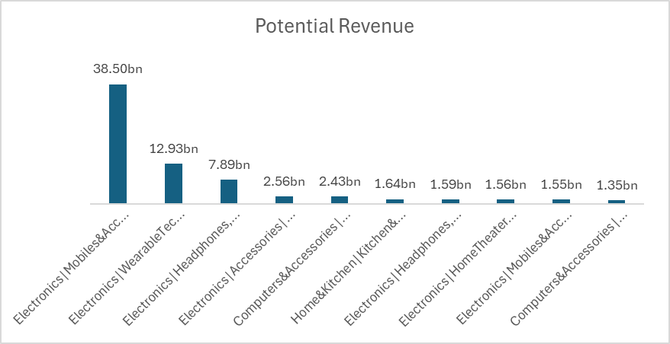
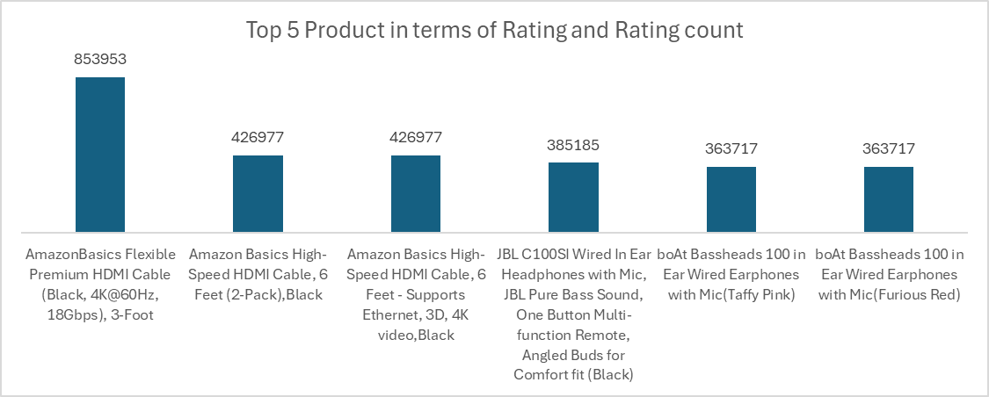
PRODUCT PERFORMANCE

